Sheet3
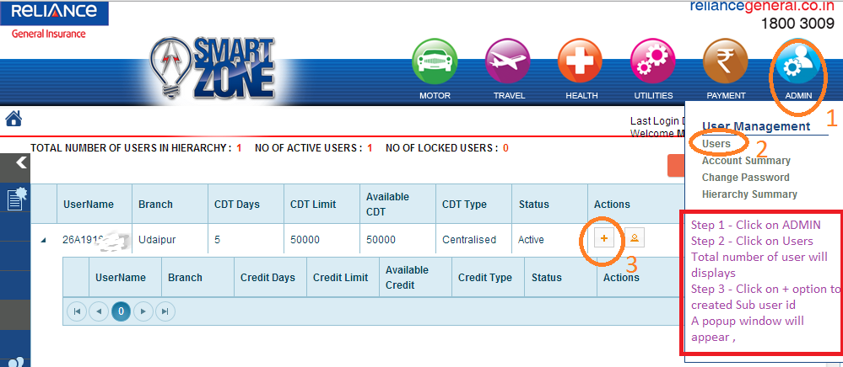
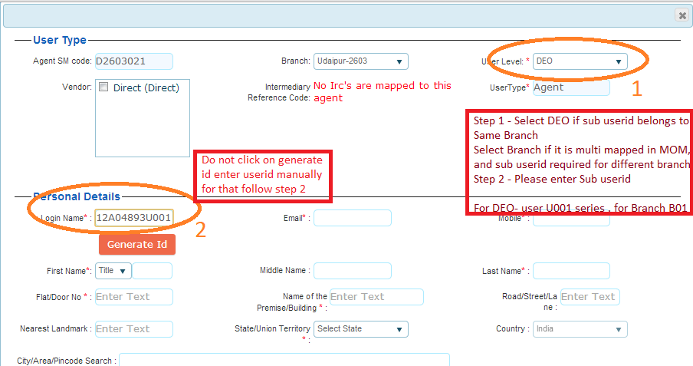
 | Traning Module

How to create Sub user Id under Agent . Please see Steps given in below document and cereate the sub user Id accordingly .

